Cover page - start here
 | A MUG'S GUIDE TO INTERPRETING FULL FACTORIAL LINEAR DOE MODELS, STATISTICS & GRAPHS
Title |  |  |  |  | Experimental array with results
DOE full factorial experiment, linear response |  | Factors | - | + | Pattern | Release angle | Cup elevation | Pin elevation | Distance
 |  | Release angle | 150 | 180 | −−− | 150 | 220 | 130 | 162
Machine |  | Cup Elevation | 220 | 290 | −−+ | 150 | 220 | 190 | 212
Online catapult simulator https://sigmazone.com/catapult/ |  | Pin elevation | 130 | 190 | −+− | 150 | 290 | 130 | 231
 |  |  |  |  | −++ | 150 | 290 | 190 | 299
Response |  | Fixed factors | Level |  | +−− | 180 | 220 | 130 | 223
Distance cm |  | Firing angle | 100 |  | +−+ | 180 | 220 | 190 | 283
 |  | Bungee position | 200 |  | ++− | 180 | 290 | 130 | 315
Purpose of the DOE: |  |  |  |  | +++ | 180 | 290 | 190 | 419
DOE objective: To enable the DOE team to identify factors that will enable them, using the online catapult, to throw the ball 290cm +/- 10 cm, with confidence |  |  |  |  | 0 | 165 | 255 | 160 | 275
 |  |  |  |  | −−− | 150 | 220 | 130 | 164
Note: in the following tabs, the selection of factors was influenced by the requirement to have a linear response. |  |  |  |  | −−+ | 150 | 220 | 190 | 207
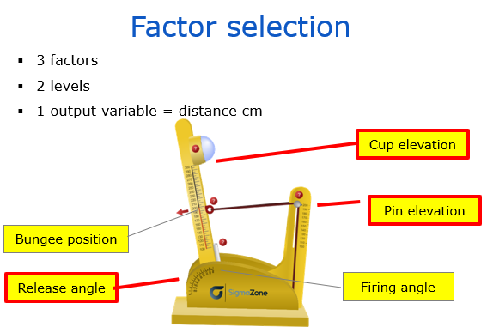
 |  |  |  |  | −+− | 150 | 290 | 130 | 233
 |  | DOE Model: full factorial | Result |  | −++ | 150 | 290 | 190 | 299
 |  | 3 Factors | 23 = 8 runs |  | +−− | 180 | 220 | 130 | 212
 |  | 2 Levels |  |  | +−+ | 180 | 220 | 190 | 283
 |  | + 1 Replicate (i.e. 1 original + 1 copy) | = 16 runs |  | ++− | 180 | 290 | 130 | 318
 |  | + 1 Centre point per replicate | = 18 runs |  | +++ | 180 | 290 | 190 | 407
 |  |  |  |  | 0 | 165 | 255 | 160 | 275
 |  |  |  |  | Note: For ease of design review and analysis of results, the run order above is not randomised. In a true DOE experiment, the run order should be randomised whenever possible.

Interaction plot
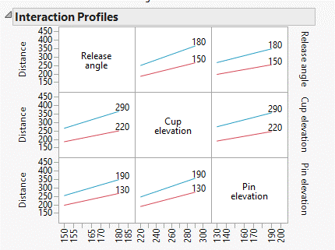
INTERACTION PLOT
 | Release angle | Cup elevation | Pin elevation | Replicates |  | Avg. Distance cm | INTERACTION PLOT CALCULATION
 | 150 | 220 | 130 | 162 | 164 | 163 | Release angle | Cup elevation | Interaction Lines cm
 | 150 | 290 | 130 | 231 | 233 | 232 | + 180 | + 290 | 365
 | 150 | 220 | 190 | 212 | 207 | 210 | - 150 | + 290 | 266
 | 150 | 290 | 190 | 299 | 299 | 299 | + 180 | - 220 | 250
 | 180 | 220 | 130 | 223 | 212 | 218 | - 150 | - 220 | 186
 | 180 | 290 | 130 | 315 | 318 | 317
 | 180 | 220 | 190 | 283 | 283 | 283
 | 180 | 290 | 190 | 419 | 407 | 413

 | Calculations
 | 1 | Add the average 4 high values for each factor on the X axis and divide by 4
 | 2 | Add the average 4 low values for each factor on the X axis and divide by 4
 | 3 | The above calculations provide high and low points on the X axis
 | 4 | Calculate the values for the second factor as follows:
 |  |  | Average when first factor low and second factor high
 |  |  | Average when first factor high and second factor high
 |  |  |  | Plot the line (green dashed)
 |  |  | Average when first factor low and second factor low
 |  |  | Average when first factor high and second factor low
 |  |  |  | Plot the line (blue solid)

Degrees of Freedom
DEGREES OF FREEDOM
 | The DOE analysis uses the experiment data to estimate the values of unknown population parameters. The total DF is determined by the number of observations in your sample. The DF for a term show how much information that term uses. Increasing your sample size provides more information about the population, which increases the total DF. Increasing the number of terms in your model uses more information, which decreases the DF available to estimate the variability of the parameter estimates.

 |  | DF COUNT FOR MODEL |  |  | DF COUNT FOR ERROR |  |  | DF COUNT FOR TOTAL
 | Terms | Count |  | Terms | Count |  | Terms | Count
 | A | 1 |  | Runs | 18 | When running a full factorial experiment, then with 3 factors at two levels, the full factorial experiment requires 8 runs (2^3). With 2 replicates, there are 16 runs (8*2). Adding 2 centrepoints makes 18 runs in total. Now, analysing the full factorial experiments requires 1 df for the grand average, 3 degrees of freedom for the main effects (F1, F2, F3), and 3 degrees of freedom for the 2nd order interactions (F1xF2, F2xF3, F1xF3). This uses up 7 degrees of freedom, leaving 7 degrees of freedom for the error term. |  | 18 | The total DF is determined by the number of observations in your sample.
 | B | 1 |  | Grand mean uses | -1 |  |  | n - 1 | Where n = sample size, or number of data points or levels
 | C | 1 |  | Main effects | -3 |  |  | 18 - 1
 | AB | 1 |  | 2-way interactions | -3 |  | DF Total = | 17
 | AC | 1 |  | DF Error = | 11
 | BC | 1
 | Error | 1 |  | Note
 |  | 7 | = n | The factors below are excluded from the DF calculations for the Error
 | DF Model = | n - 1 | Where n = number of terms in the model and x = DF lost | ABC 3-way interactions | -1
 | DF Model = | 6 | = n-1
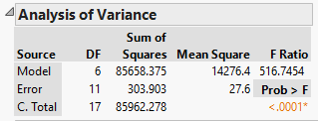
 | Note
 | The factors below are excluded from the DF calculations for the Model
 | ABC 3-way interactions | 1
 | Centre point (curvature) | 2

 |  | DF COUNT FOR FACTORS
 | = | n - 1 | n = 2 i.e. 2 levels, low and high
 | = | 2 - 1
 |  | 1

 | Release angle DF = | 1
 | Cup elevation DF = | 1
 | Pin elevation DF = | 1
 | 2-way interactions DF = | 1
 | 3-way interactions DF = | 1

ANOVA - release angle
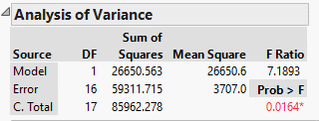
ANOVA Calculation for Release angle
 |  |  |  |  | Sum of Squares
 | Factor | Level | Distance cm | Means | x - x bar | squared |  | SS Release Angle
1 | Release angle | 150 | 162 | 226 | -41 | 1,666
2 | Release angle | 150 | 231 |  | -41 | 1,666
3 | Release angle | 150 | 212 |  | -41 | 1,666
4 | Release angle | 150 | 299 |  | -41 | 1,666
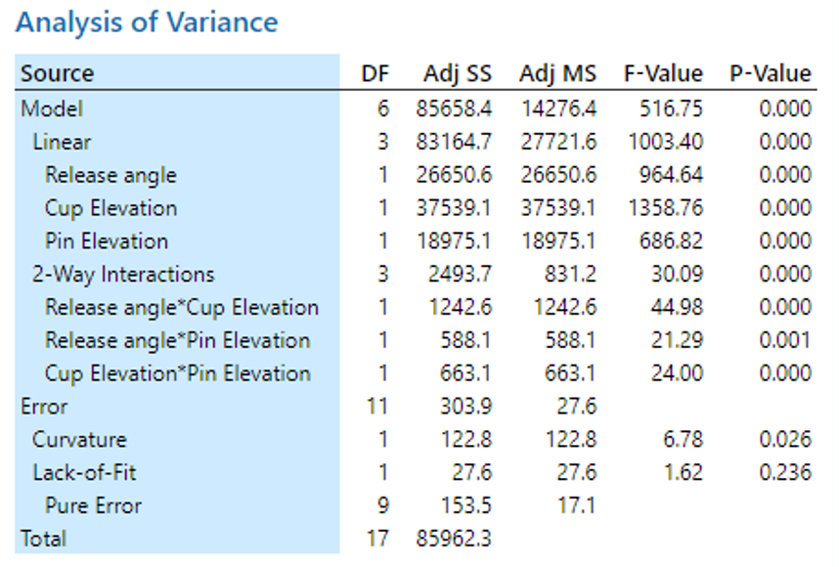
5 | Release angle | 150 | 164 |  | -41 | 1,666
6 | Release angle | 150 | 233 |  | -41 | 1,666
7 | Release angle | 150 | 207 |  | -41 | 1,666
8 | Release angle | 150 | 299 |  | -41 | 1,666
9 | Release angle | 180 | 223 | 308 | 41 | 1,666
10 | Release angle | 180 | 315 |  | 41 | 1,666
11 | Release angle | 180 | 283 |  | 41 | 1,666
12 | Release angle | 180 | 419 |  | 41 | 1,666
13 | Release angle | 180 | 212 |  | 41 | 1,666
14 | Release angle | 180 | 318 |  | 41 | 1,666
15 | Release angle | 180 | 283 |  | 41 | 1,666
16 | Release angle | 180 | 407 |  | 41 | 1,666
 |  | Grand mean | 267 | x bar |  | 26,650.6 | SS

 |  |  |  |  | See 'Degrees of Freedom' tab for DF factors | 1 | DF

 |  |  |  |  | Divide SS by DF | 26,650.6 | MS

 |  |  |  |  |  | 3,707.0 | MS Error

 |  |  |  |  | Divide MS by MS error | 7.2 | F Ratio

Parameter estimates
PARAMETER ESTIMATES
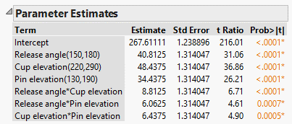
 |  | Release angle A | Cup elevation B | Pin elevation C | AB | AC | BC | Distance cm
 |  | 150 | 220 | 130 | + | + | + | 163
 |  | 180 | 220 | 130 | - | - | + | 218
 |  | 150 | 290 | 130 | - | + | - | 232
 |  | 180 | 290 | 130 | + | - | - | 317
 |  | 150 | 220 | 190 | + | - | - | 210
 |  | 180 | 220 | 190 | - | + | - | 283
 |  | 150 | 290 | 190 | - | - | + | 299
 |  | 180 | 290 | 190 | + | + | + | 413
 |  |  |  |  |  |  |  | 267 | Grand mean

 |  | A | B | C | AB | AC | BC |  |  | Intercept | Grand mean
Avg | - | 226 | 218 | 232 | 258 | 261 | 260 | cm |  | Estimates | Half the difference between the results at the low setting, and the results at the high setting, for each factor & all interactions
Avg | + | 308 | 315 | 301 | 276 | 273 | 273 | cm |  | t Ratio | Estimate / Standard Error
Effect | Diff | 81.6 | 96.9 | 68.9 | 17.6 | 12.1 | 12.9
Estimate | 0.5 Diff | 40.8 | 48.4 | 34.4 | 8.8 | 6.1 | 6.4

Prediction equation
PREDICTION EQUATION (EMPIRICAL MODEL) FOR CODED UNITS

 |  | Release angle A | Cup elevation B | Pin elevation C | AB | AC | BC | Distance cm |  | Runs | A | B | C | AB | AC | BC
 |  | 150 | 220 | 130 | + | + | + | 163 |  | 1 | - | - | - | + | + | +
 |  | 180 | 220 | 130 | - | - | + | 218 |  | 2 | + | - | - | - | - | +
 |  | 150 | 290 | 130 | - | + | - | 232 |  | 3 | - | + | - | - | + | -
 |  | 180 | 290 | 130 | + | - | - | 317 |  | 4 | + | + | - | + | - | -
 |  | 150 | 220 | 190 | + | - | - | 210 |  | 5 | - | - | + | + | - | -
 |  | 180 | 220 | 190 | - | + | - | 283 |  | 6 | + | - | + | - | + | -
 |  | 150 | 290 | 190 | - | - | + | 299 |  | 7 | - | + | + | - | - | + | (+)(+) = | (+)
 |  | 180 | 290 | 190 | + | + | + | 413 |  | 8 | + | + | + | + | + | + | (-)(-) = | (+)
 |  |  |  |  |  |  |  | 267 | Grand mean |  |  |  |  |  |  |  | (+)(-) = | (-)
 |  |  |  |  |  |  |  |  |  |  |  |  |  |  |  |  | (-)(+)= | (-)
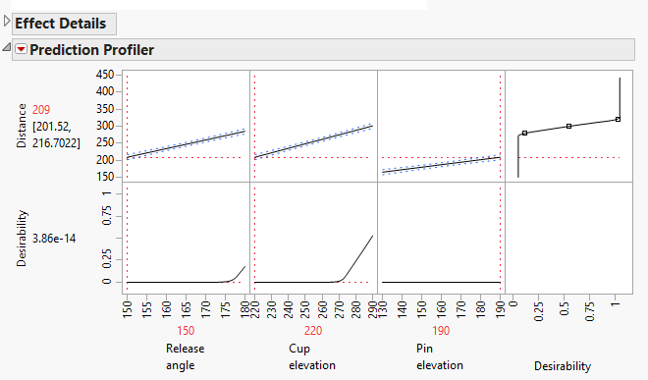
 |  | Release angle | Cup elevation | Pin elevation | Low order interactions
 |  | A | B | C | AB | AC | BC
Avg | - | 226 | 218 | 232 | 258 | 261 | 260 | cm
Avg | + | 308 | 315 | 301 | 276 | 273 | 273 | cm
Effect | Diff | 82 | 97 | 69 | 18 | 12 | 13
Co eff | Diff/2 | 41 | 48 | 34 | 9 | 6 | 6

 |  | Grand mean
 | = | 267 | + | 41 | (A) + | 48 | (B) + | 34 | (C) + | 9 | (AB) + | 6 | (AC) + | 6 | (BC)

Note: | The centre point, three way ABC interaction and error term calculations are omitted from the above model
Let's test with an example: Predicted distance at 150 Release angle (-), 220 cup elevation (-) and 190 Pin elevation (+) is

 | = | 267 | + | 41 | (-) + | 48 | (-) + | 34 | (+) + | 9 | (-)(-) + | 6 | (-)(+) + | 6 | (-)(+)

 | = | 267 | - | 41 | - | 48 | + | 34 | + | 9 | - | 6 | - | 6

 | = | 208 | The difference of 1 cm from the prediction profiler (right) is due to rounding errors

Alternative notation for empirical model

